1.MOTOR DATA
 | MOTOR DATA |  | CURVES
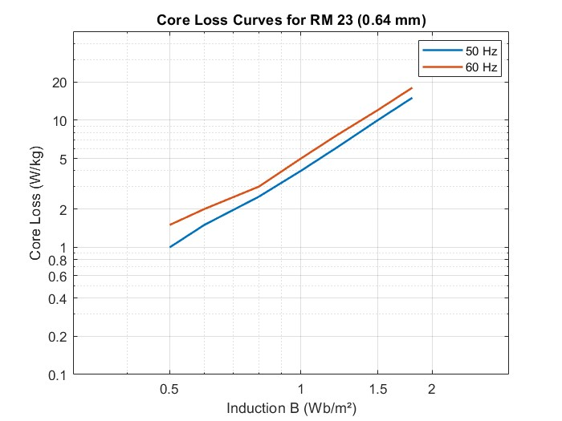
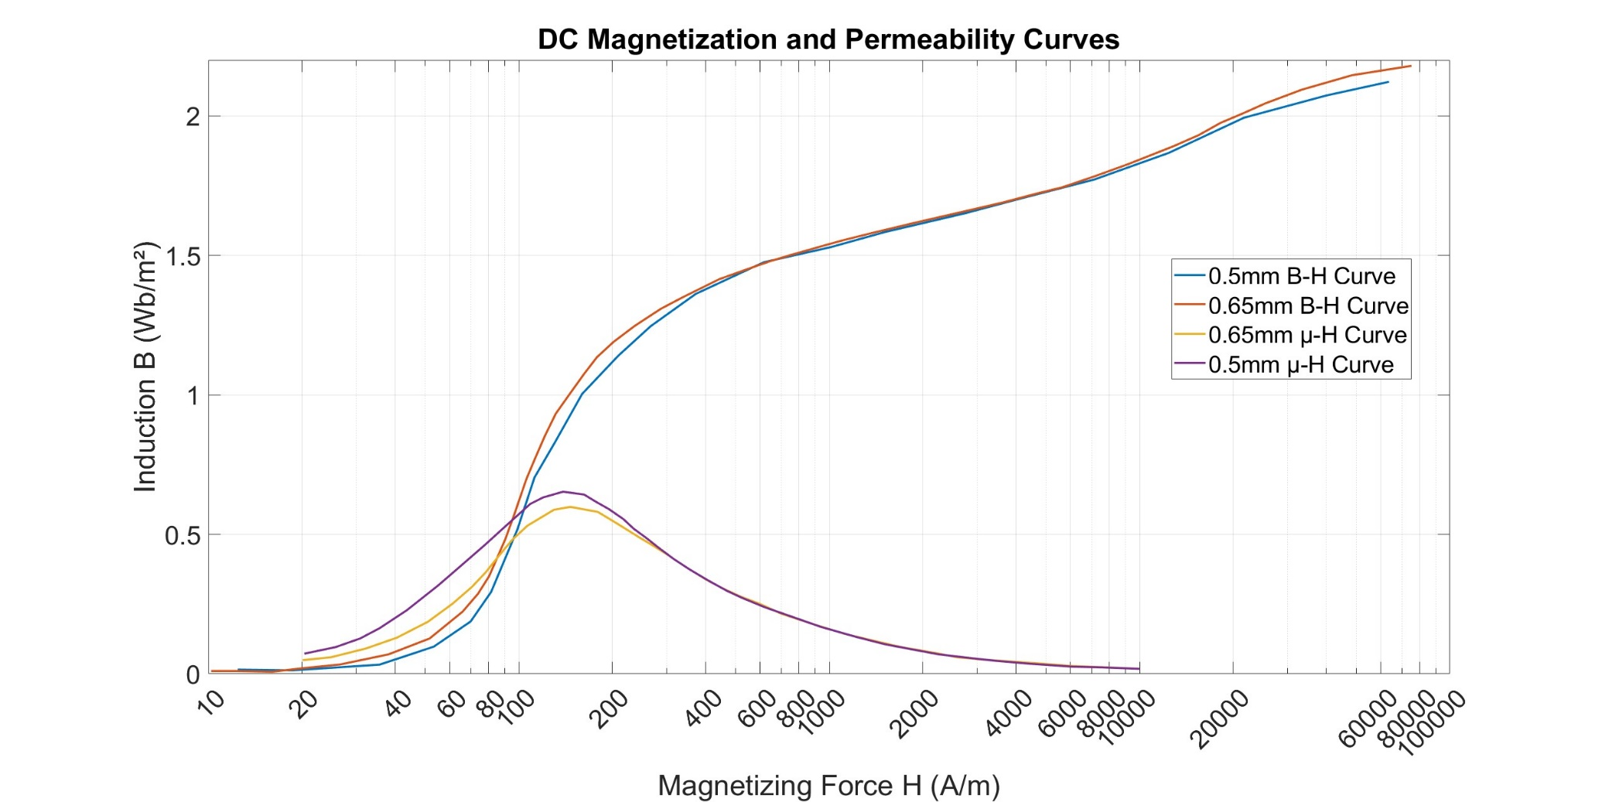
 | Number of phases (q) | 3
 | Frequency (Hz) | 50
 | Number of poles | 2

 | Connection type | Delta
 | Line voltage (V) | 380
 | Power (kW) | 37
 | Synchronous speed (rpm) | 3000

 | Rotor slot | 40
 | Stator slot | 36
 | Conductor per slot | 22
 | Parallel path | 2
 | Coil pitch | 15
 | Wire size (mm^2) | 5.5

 | Frame type | 200/2
 | Lc (mm) | 250
 | Air gap (cm) | 0.75
End Ring | h (mm) | 24.2 | DIMENTIONS
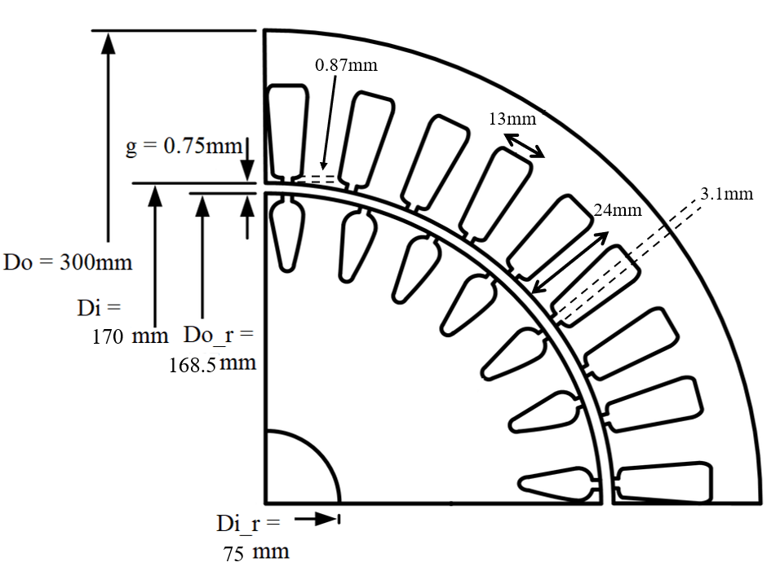
 | Do (mm) | 167
 | di (mm) | 103
 | Inertia (Kgm^2) | 0.13

Stator | Do (mm) | 300
 | Di (mm) | 170
 | Slot width (mm) | 13
 | Slot height (mm) | 24
 | Tip width (mm) | 3.1
 | Tip height (mm) | 0.87

Rotor | Do_r (mm) | 300
 | Di (mm) | 170
 | Slot width (mm) | 13
 | Slot height (mm) | 24

2.TEST DATA
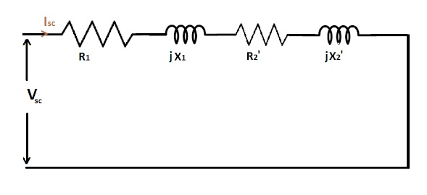
 |  |  | SCHEMATICS
 | TEST DATA

Short Circuit Test | Voltage (V) | 54
 | Current (A) | 70
 | Real Power (P) | 2862
 | Reactive Power (Q) | 5910

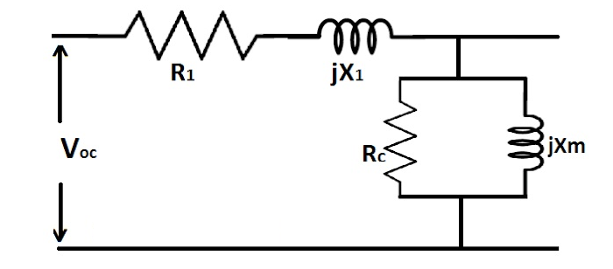

Open Circuit Test | Voltage (V) | 380
 | Current (A) | 17.5
 | Real Power (P) | 2640
 | Reactive Power (Q) | 11300
 | Resistane (Ω) | 0.102

5.PERFORMANCE
 | PERFORMANCE |  |  |  |  |  |  |  |  |  |  | Since parameters calculated from motor data deviates from the parameters calculated from the test data, the performance of the analytical calculations are less than the test results. But still, the results are pretty close.

 | Torque & Speed Characteristic (Test Data) |  |  |  |  |  | Torque & Speed Characteristic (Motor Data)

Input Current vs. Speed
Input Current vs. Speed
 | Speed (rpm) | Slip | Current I'2 (A) | Torque (Nm) | Power (kW) |  | Speed (rpm) | Slip | Current I'2 (A) | Torque (Nm) | Power (kW)
 | 0 | 1 | 75.465398796 | 26.970130623 | 0 |  | 0 | 1 | 78.317295513 | 34.612401942 | 0
 | 50 | 0.98333333333 | 75.449064614 | 27.415379729 | 0.14354659259 |  | 50 | 0.98333333333 | 78.292361878 | 35.176643963 | 0.18418447709
 | 100 | 0.96666666667 | 75.431957348 | 27.875413488 | 0.29191064744 |  | 100 | 0.96666666667 | 78.266243003 | 35.759266801 | 0.37447016627
 | 150 | 0.95 | 75.414025544 | 28.350971746 | 0.4453360228 |  | 150 | 0.95 | 78.238860159 | 36.361165793 | 0.57115985666
 | 200 | 0.93333333333 | 75.395213325 | 28.842843873 | 0.60408310946 |  | 200 | 0.93333333333 | 78.2101279 | 36.983294035 | 0.77457629897
 | 250 | 0.91666666667 | 75.375459935 | 29.351872909 | 0.76843023583 |  | 250 | 0.91666666667 | 78.179953358 | 37.626666981 | 0.98506383805
 | 300 | 0.9 | 75.354699207 | 29.878960133 | 0.93867521651 |  | 300 | 0.9 | 78.148235454 | 38.292367474 | 1.2029902035
 | 350 | 0.88333333333 | 75.332858977 | 30.425070088 | 1.1151370612 |  | 350 | 0.88333333333 | 78.114864012 | 38.981551252 | 1.4287484754
 | 400 | 0.86666666667 | 75.30986041 | 30.991236129 | 1.2981578633 |  | 400 | 0.86666666667 | 78.079718753 | 39.695452974 | 1.6627592459
 | 450 | 0.85 | 75.28561725 | 31.578566554 | 1.4881048905 |  | 450 | 0.85 | 78.042668158 | 40.435392838 | 1.9054729963
 | 500 | 0.83333333333 | 75.260034951 | 32.188251384 | 1.6853729014 |  | 500 | 0.83333333333 | 78.003568189 | 41.202783832 | 2.1573727166
 | 550 | 0.81666666667 | 75.23300971 | 32.821569875 | 1.890386718 |  | 550 | 0.81666666667 | 77.96226082 | 41.999139701 | 2.4189767936
 | 600 | 0.8 | 75.20442734 | 33.479898848 | 2.1036040853 |  | 600 | 0.8 | 77.918572382 | 42.8260837 | 2.6908421987
 | 650 | 0.78333333333 | 75.174162004 | 34.164721951 | 2.3255188557 |  | 650 | 0.78333333333 | 77.87231166 | 43.685358221 | 2.9735680099
 | 700 | 0.76666666667 | 75.142074747 | 34.877639956 | 2.5566645408 |  | 700 | 0.76666666667 | 77.823267721 | 44.578835379 | 3.2677993071
 | 750 | 0.75 | 75.108011814 | 35.620382235 | 2.7976182787 |  | 750 | 0.75 | 77.771207431 | 45.508528669 | 3.5742314835
MAX TORQUE
 | 800 | 0.73333333333 | 75.071802717 | 36.39481956 | 3.0490052735 |  | 800 | 0.73333333333 | 77.715872583 | 46.476605791 | 3.8936150218
Torque vs. Speed
MAX TORQUE
 | 850 | 0.71666666667 | 75.033257989 | 37.202978412 | 3.3115037707 |  | 850 | 0.71666666667 | 77.656976602 | 47.485402779 | 4.2267607882
Torque vs. Speed
 | 900 | 0.7 | 74.992166587 | 38.047056983 | 3.5858506413 |  | 900 | 0.7 | 77.594200722 | 48.537439545 | 4.5745459049
 | 950 | 0.68333333333 | 74.948292869 | 38.929443103 | 3.8728476612 |  | 950 | 0.68333333333 | 77.527189561 | 49.635436985 | 4.937920266
 | 1000 | 0.66666666667 | 74.901373069 | 39.852734355 | 4.1733685825 |  | 1000 | 0.66666666667 | 77.455545966 | 50.782335794 | 5.3179137688
 | 1050 | 0.65 | 74.851111159 | 40.819760661 | 4.4883671075 |  | 1050 | 0.65 | 77.378825006 | 51.98131711 | 5.7156443385
 | 1100 | 0.63333333333 | 74.797173999 | 41.833609677 | 4.8188858973 |  | 1100 | 0.63333333333 | 77.296526927 | 53.23582515 | 6.1323268306
 | 1150 | 0.61666666667 | 74.739185607 | 42.897655371 | 5.1660667605 |  | 1150 | 0.61666666667 | 77.208088884 | 54.54959195 | 6.5692828975
 | 1200 | 0.6 | 74.676720375 | 44.015590204 | 5.5311621931 |  | 1200 | 0.6 | 77.112875193 | 55.926664308 | 7.0279519092
 | 1250 | 0.58333333333 | 74.609295006 | 45.191461389 | 5.9155484628 |  | 1250 | 0.58333333333 | 77.010165788 | 57.37143298 | 7.5099030157
 | 1300 | 0.56666666667 | 74.536358881 | 46.429711753 | 6.3207404586 |  | 1300 | 0.56666666667 | 76.899142518 | 58.888664098 | 8.0168484287
 | 1350 | 0.55 | 74.457282517 | 47.735225754 | 6.7484085545 |  | 1350 | 0.55 | 76.778872796 | 60.483532656 | 8.5506579835
 | 1400 | 0.53333333333 | 74.371343647 | 49.11338128 | 7.2003977651 |  | 1400 | 0.53333333333 | 76.648290027 | 62.161657738 | 9.1133750067
 | 1450 | 0.51666666667 | 74.27771038 | 50.57010784 | 7.6787494986 |  | 1450 | 0.51666666667 | 76.506170061 | 63.929138845 | 9.707233459
 | 1500 | 0.5 | 74.175420699 | 52.111951743 | 8.185726238 |  | 1500 | 0.5 | 76.351102751 | 65.792592312 | 10.334676233
 | 1550 | 0.48333333333 | 74.063357396 | 53.746148803 | 8.7238394889 |  | 1550 | 0.48333333333 | 76.181457438 | 67.759186164 | 10.998374342
 | 1600 | 0.46666666667 | 73.940217222 | 55.480704901 | 9.2958813298 |  | 1600 | 0.46666666667 | 75.995340857 | 69.836670877 | 11.701246516
 | 1650 | 0.45 | 73.804472735 | 57.324484395 | 9.9049598476 |  | 1650 | 0.45 | 75.790545556 | 72.033402211 | 12.446478396
 | 1700 | 0.43333333333 | 73.654324798 | 59.287305742 | 10.554538636 |  | 1700 | 0.43333333333 | 75.564486367 | 74.358350386 | 13.237540014
Power vs. Speed
 | 1750 | 0.41666666667 | 73.487643065 | 61.380042684 | 11.248480318 |  | 1750 | 0.41666666667 | 75.31412174 | 76.821087088 | 14.078199499
 | 1800 | 0.4 | 73.301890929 | 63.614727591 | 11.991093652 |  | 1800 | 0.4 | 75.035855816 | 79.431737759 | 14.972529828
Power vs. Speed
 | 1850 | 0.38333333333 | 73.094030185 | 66.00465082 | 12.787183111 |  | 1850 | 0.38333333333 | 74.725415856 | 82.200880659 | 15.924903772
 | 1900 | 0.36666666667 | 72.860399059 | 68.56444544 | 13.642098679 |  | 1900 | 0.36666666667 | 74.377697961 | 85.139365522 | 16.939969666
 | 1950 | 0.35 | 72.596554941 | 71.310139543 | 14.561781683 |  | 1950 | 0.35 | 73.986571805 | 88.258011758 | 18.022596888
 | 2000 | 0.33333333333 | 72.297070011 | 74.259146901 | 15.552799358 |  | 2000 | 0.33333333333 | 73.544632127 | 91.567127289 | 19.177774293
 | 2050 | 0.31666666667 | 71.955263449 | 77.430148409 | 16.622355669 |  | 2050 | 0.31666666667 | 73.042880789 | 95.075761123 | 20.410436366
 | 2100 | 0.3 | 71.56284757 | 80.842787346 | 17.778257478 |  | 2100 | 0.3 | 72.470317979 | 98.790561492 | 21.725179156
 | 2150 | 0.28333333333 | 71.109456226 | 84.517054146 | 19.028801209 |  | 2150 | 0.28333333333 | 71.81341433 | 102.71405026 | 23.125808909
 | 2200 | 0.26666666667 | 70.582010896 | 88.472159791 | 20.382522398 |  | 2200 | 0.26666666667 | 71.055426967 | 106.84203451 | 24.61463772
 | 2250 | 0.25 | 69.963861518 | 92.724572851 | 21.847712766 |  | 2250 | 0.25 | 70.175511716 | 111.15974516 | 26.191397907
 | 2300 | 0.23333333333 | 69.233613078 | 97.284693505 | 23.431547346 |  | 2300 | 0.23333333333 | 69.14757132 | 115.63610408 | 27.851584354
 | 2350 | 0.21666666667 | 68.363512574 | 102.15131064 | 25.138561554 |  | 2350 | 0.21666666667 | 67.93876734 | 120.21525961 | 29.583944488
 | 2400 | 0.2 | 67.317221997 | 107.30246092 | 26.968049834 |  | 2400 | 0.2 | 66.507616521 | 124.80418458 | 31.366712753
 | 2450 | 0.18333333333 | 66.046741434 | 112.68047353 | 28.909685408 |  | 2450 | 0.18333333333 | 64.80160233 | 129.2547254 | 33.16203182
 | 2500 | 0.16666666667 | 64.488181629 | 118.1677102 | 30.936234189 |  | 2500 | 0.16666666667 | 62.754284062 | 133.33813724 | 34.907842701
 | 2550 | 0.15 | 62.556051915 | 123.54771306 | 32.991609956 |  | 2550 | 0.15 | 60.282028723 | 136.71017362 | 36.506452556
 | 2600 | 0.13333333333 | 60.135826396 | 128.44438907 | 34.971728921 |  | 2600 | 0.13333333333 | 57.280815469 | 138.86603084 | 37.809243534
 | 2650 | 0.11666666667 | 57.075025699 | 132.23083757 | 36.695029463 |  | 2650 | 0.11666666667 | 53.624215534 | 139.08858506 | 38.598104803
 | 2700 | 0.1 | 53.174452574 | 133.90394193 | 37.860447624 |  | 2700 | 0.1 | 49.164815736 | 136.40340336 | 38.567153693
 | 2750 | 0.083333333333 | 48.184574998 | 131.94247261 | 37.996704411 |  | 2750 | 0.083333333333 | 43.743103175 | 129.57368168 | 37.314541593
 | 2800 | 0.066666666667 | 41.818657606 | 124.22778492 | 36.425489005 |  | 2800 | 0.066666666667 | 37.209657689 | 117.19767154 | 34.364152101
 | 2850 | 0.05 | 33.803571046 | 108.2287062 | 32.300998289 |  | 2850 | 0.05 | 29.466404791 | 97.994267665 | 29.246516782
 | 2900 | 0.033333333333 | 23.992188289 | 81.780221768 | 24.835613912 |  | 2900 | 0.033333333333 | 20.526472642 | 71.329023569 | 21.661717855
 | 2950 | 0.016666666667 | 12.531959097 | 44.624821801 | 13.785646213 |  | 2950 | 0.016666666667 | 10.57594113 | 37.87090421 | 11.699203854
Synchronous speed | 3000 | 0 | 7.6624503173E-13 | 2.7804984048E-21 | 8.7351933618E-22 | Synchronous speed | 3000 | 0 | 6.4304089401E-05 | 0.00023334234608 | 7.3306660023E-05

